Green Square Summary
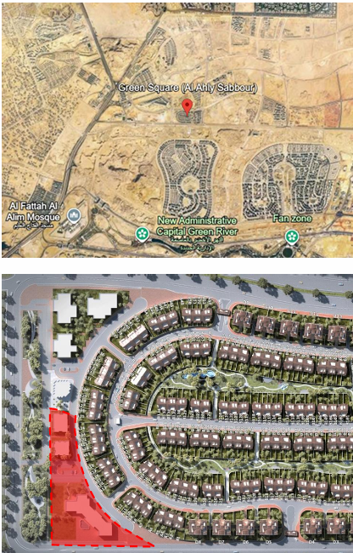
Green Square EL-Mostakbal City -Summary
Land Area: | m² | 14,470 | Construction Start: | 13 | Month
footprint % : |  | 30% | Construction Duration : | 36 | Month
footprint : | m² | 4,341 | Project Delivery : | 48 | Month
Height: |  | G+2
Retail: | m² | 4,341 | Sales Start: | 7 | Month
Offices: | m² | 8,682 | Maximum Cash Shortage : | (103) | MEGP
Total BUA: | m² | 13,023
RETAINED %: |  | 20%
Downpayment |  | 200
 |  | MEGP | NPV-With DP | NPV-With DP
CASH INFLOW JALOUR |  | 1,267 | 808 | 834
COMMERCIAL |  | 524
ADMIN |  | 744

 |  | MEGP | NPV-With DP | NPV-With DP
CASH OUTFLOW JALOUR |  | (892) | (593) | (593)
Construction Cost |  | (697)
Sales Commission | 4% | (90)
SGA& Others Cost | 15% | (105)

 |  | MEGP | NPV-With DP | NPV-Without DP | Diff
NET CASH FLOW JALOUR -MEGP |  | 375 | 215 | 241 | (26)

Total Sales 100% |  | 2,816
COMMERCIAL |  | 1,164
ADMIN |  | 1,652

Total Sales 80% |  | 2,253
COMMERCIAL |  | 931
ADMIN |  | 1,322

ALAHLY - SABBOUR % | 35% | 986
COMMERCIAL |  | 407
ADMIN |  | 578

 |  | M 3 | M 6 | M 9 | M 12 | M 15 | M 18 | M 21 | M 24 | M 27 | M 30 | M 33 | M 36 | M 39 | M 42 | M 45 | M 48 | M 51 | M 54 | M 57 | M 60 | M 63 | M 66 | M 69 | M 72 | M 75 | M 78 | M 81 | M 84 | M 87 | M 90 | M 93 | M 96 | M 99 | M 102 | M 105 | M 108 | M 111 | M 114 | M 117 | M 120 | M 123 | M 126 | M 129 | 0
Total Collections MEGP |  | 0 | 0 | 15 | 30 | 47 | 63 | 62 | 63 | 80 | 495 | 186 | 177 | 97 | 71 | 71 | 68 | 61 | 60 | 54 | 49 | 49 | 42 | 42 | 42 | 36 | 33 | 29 | 25 | 25 | 25 | 25 | 25 | 25 | 23 | 23 | 19 | 10 | 4 | 0 | 0 | 0 | 0 | 0 | 0
ALAHLY - SABBOUR Payments MEGP |  | (91) | (11) | (11) | (11) | (23) | (23) | (23) | (23) | (34) | (34) | (34) | (34) | (45) | (45) | (45) | (45) | (45) | (45) | (45) | (45) | (23) | (23) | (23) | (23) | 0 | 0 | 0 | 0 | (108) | (11) | (11) | (11) | (11) | (10) | (10) | (8) | (4) | (2) | 0 | 0 | 0 | 0 | 0 | 0
CASH OUT FLOW CAPEX -MEGP |  | 0 | 0 | 0 | 0 | (23) | (30) | (58) | (42) | (40) | (40) | (13) | (13) | (146) | (147) | (198) | (141) | 0 | 0 | 0 | 0 | 0 | 0 | 0 | 0 | 0 | 0 | 0 | 0 | 0 | 0 | 0 | 0 | 0 | 0 | 0 | 0 | 0 | 0 | 0 | 0 | 0 | 0 | 0 | 0
Net Cash Flow |  | (91) | (11) | 4 | 19 | 1 | 10 | (18) | (1) | 7 | 422 | 139 | 130 | (93) | (121) | (172) | (118) | 16 | 15 | 9 | 4 | 27 | 20 | 20 | 20 | 36 | 33 | 29 | 25 | (83) | 14 | 14 | 14 | 14 | 13 | 13 | 11 | 5 | 2 | 0 | 0 | 0 | 0 | 0 | 0
Net Cash Flow-Accum |  | (91) | (103) | (99) | (80) | (79) | (69) | (87) | (88) | (82) | 340 | 479 | 608 | 515 | 394 | 222 | 104 | 121 | 135 | 144 | 148 | 175 | 195 | 214 | 234 | 270 | 303 | 333 | 358 | 275 | 289 | 303 | 318 | 332 | 345 | 357 | 368 | 373 | 375 | 375 | 375 | 375 | 375 | 375 | 375

L'avenir Summary
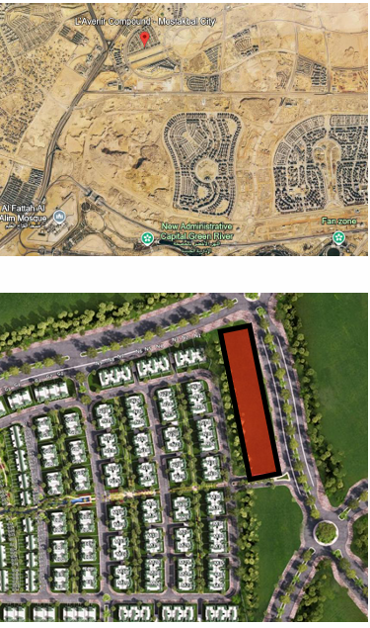
L'avenir EL-Mostakbal City -Summary
Land Area: | m² | 14,910 | Construction Start: | 19 | Month
footprint % : |  | 30% | Construction Duration : | 36 | Month
footprint : | m² | 4,473 | Project Delivery : | 54 | Month
Height: |  | G+2
Retail: | m² | 4,473 | Sales Start: | 13 | Month
Offices: | m² | 8,946 | Maximum Cash Shortage : | (102) | MEGP
Total BUA: | m² | 13,419
RETAINED %: |  | 20%
Downpayment |  | 200
 |  | MEGP | NPV-With DP | NPV-With DP
CASH INFLOW JALOUR |  | 1,504 | 873 | 894
COMMERCIAL |  | 606
ADMIN |  | 898

 |  | MEGP | NPV-With DP | NPV-With DP
CASH OUTFLOW JALOUR |  | (862) | (565) | (565)
Construction Cost |  | (651)
Sales Commission | 4% | (107)
SGA& Others Cost | 15% | (105)

 |  | MEGP | NPV-With DP | NPV-Without DP | Diff
NET CASH FLOW JALOUR -MEGP |  | 642 | 308 | 329 | (21)

Total Sales 100% |  | 3,342
COMMERCIAL |  | 1,346
ADMIN |  | 1,996

Total Sales 80% |  | 2,674
COMMERCIAL |  | 1,077
ADMIN |  | 1,597

ALAHLY - SABBOUR % | 35% | 1,170
COMMERCIAL |  | 471
ADMIN |  | 699

 |  | M 3 | M 6 | M 9 | M 12 | M 15 | M 18 | M 21 | M 24 | M 27 | M 30 | M 33 | M 36 | M 39 | M 42 | M 45 | M 48 | M 51 | M 54 | M 57 | M 60 | M 63 | M 66 | M 69 | M 72 | M 75 | M 78 | M 81 | M 84 | M 87 | M 90 | M 93 | M 96 | M 99 | M 102 | M 105 | M 108 | M 111 | M 114 | M 117 | M 120 | M 123 | M 126 | M 129 | 0
Total Collections MEGP |  | 0 | 0 | 0 | 0 | 18 | 36 | 58 | 69 | 67 | 73 | 89 | 106 | 115 | 125 | 683 | 172 | 113 | 89 | 88 | 86 | 77 | 70 | 61 | 51 | 51 | 51 | 51 | 51 | 44 | 37 | 33 | 29 | 23 | 19 | 17 | 7 | 7 | 7 | 0 | 0 | 0 | 0 | 0 | 0
ALAHLY - SABBOUR Payments MEGP |  | 0 | 0 | 0 | (85) | (23) | (23) | (23) | (23) | (45) | (45) | (45) | (45) | (56) | (56) | (56) | (56) | (45) | (45) | (45) | (45) | (23) | (23) | (23) | (23) | 0 | 0 | 0 | 0 | (241) | (16) | (14) | (13) | (10) | (8) | (7) | (3) | (3) | (3) | 0 | 0 | 0 | 0 | 0 | 0
CASH OUT FLOW CAPEX -MEGP |  | 0 | 0 | 0 | 0 | 0 | 0 | (23) | (30) | (60) | (45) | (43) | (38) | (14) | (13) | (146) | (146) | (197) | (143) | (6) | (6) | 0 | 0 | 0 | 0 | 0 | 0 | 0 | 0 | 0 | 0 | 0 | 0 | 0 | 0 | 0 | 0 | 0 | 0 | 0 | 0 | 0 | 0 | 0 | 0
Net Cash Flow |  | 0 | 0 | 0 | (85) | (4) | 14 | 13 | 16 | (38) | (17) | 1 | 23 | 45 | 55 | 481 | (30) | (129) | (98) | 37 | 35 | 55 | 48 | 39 | 29 | 51 | 51 | 51 | 51 | (197) | 21 | 19 | 16 | 13 | 11 | 9 | 4 | 4 | 4 | 0 | 0 | 0 | 0 | 0 | 0
Net Cash Flow-Accum |  | 0 | 0 | 0 | (85) | (89) | (76) | (63) | (47) | (85) | (102) | (101) | (78) | (33) | 22 | 504 | 473 | 344 | 246 | 283 | 318 | 372 | 420 | 459 | 487 | 538 | 589 | 640 | 692 | 494 | 515 | 534 | 550 | 563 | 574 | 583 | 587 | 591 | 595 | 595 | 595 | 595 | 595 | 595 | 595

